Sheet1
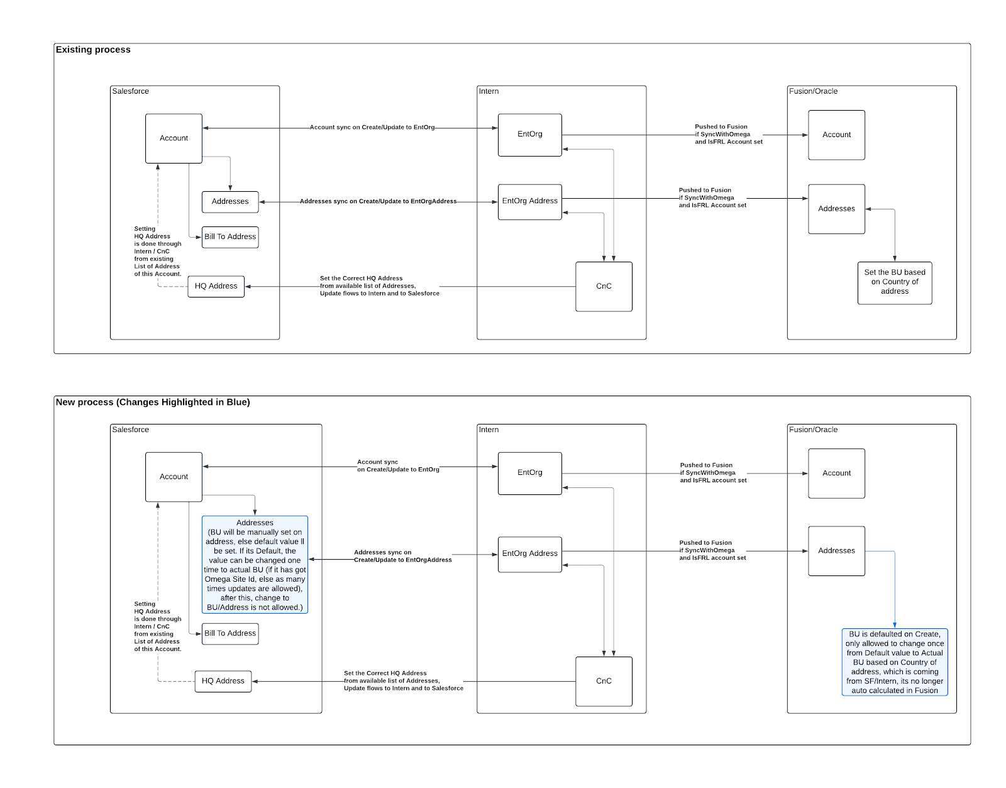
https://docs.google.com/document/d/1k7FQ-TTUQrGU1MMq9aUcITBH3w8zk60RNn5xJmQh7Ys/edit?fbclid=IwZXh0bgNhZW0CMTEAAR2o_tVBoymdNMTeztxlLVqDppzmZBWU3A2c9D_tyVv7cV5KXB0-StzJj04_aem_7y6rCh8JTdVkkfzCbDFnaA&tab=t.0

 | Data Sync from Fusion to EP Billing to Fail
 | Invoices not created in Intern
 | Thus Invoices were not shwoing in CnC / SRT

Sheet2
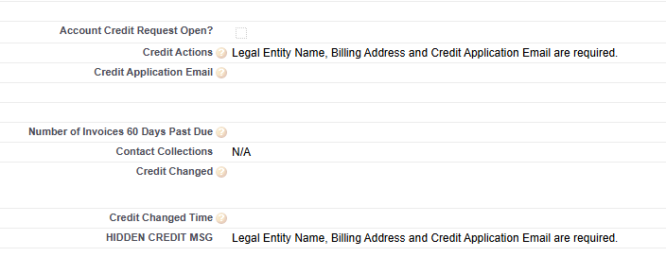
Salesforce | Entering customer account/address is not always 100% accurate. Some fields are missing, e.g. Billing Flag - when this is missed from initial setup and updated later, the update does not flow to CnC and Fusion. Thus, we’ll need new identifier at site level to flag the BU

